Question
Find the Average of Closest 2 Numbers out of 3 [formula challenge] » Chandoo.org - Learn Excel, Power BI & Charting Online

The question is,
I have data in three columns: A,B,C and I want to get the average of the closest two values out of three in each row. Could you help me with a formula for this?
Now, how would you go about it?
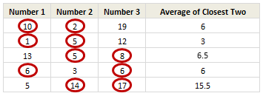
What does closest of two mean?

We can assume that close-ness is nothing but distance between 2 numbers on numeric scale. So 3 is closer to 2 and 4 compared to 1 or 5.
Your challenge:
Assuming your data is in A2:C10, what formula will you write in D2:D10 to solve this?

